Gel quantification
Name | GeneSys | Raw volume | ng/µl
STD20 | Spot 1 | 1108123 | 20
STD10 | Spot 2 | 983726 | 10
STD1 | Spot 3 | 746807 | 1

Name | GeneSys | Raw volume | ng/µl | ng/µl diluted samples
1+2 | Spot 4 | 733043 | -0.95
3+4 | Spot 5 | 787040 | 1.91
5+6 | Spot 6 | 743513 | -0.39
7+8 | Spot 7 | 743130 | -0.41
9+10 | Spot 8 | 749383 | -0.08
11+12 | Spot 9 | 722924 | -1.48
13+14 | Spot 10 | 740640 | -0.55
15+16 | Spot 11 | 726290 | -1.31
17+18 | Spot 12 | 725920 | -1.33
19+20 | Spot 13 | 756074 | 0.27
21+22 | Spot 14 | 758122 | 0.38
23+24 | Spot 15 | 743487 | -0.40
25+26 | Spot 16 | 840869 | 4.76 | 11.89
27+28 | Spot 17 | 799172 | 2.55 | 6.38
29+30 | Spot 18 | 775567 | 1.30 | 3.25
31+32 | Spot 19 | 707573 | -2.30
33+34 | Spot 20 | 700885 | -2.65
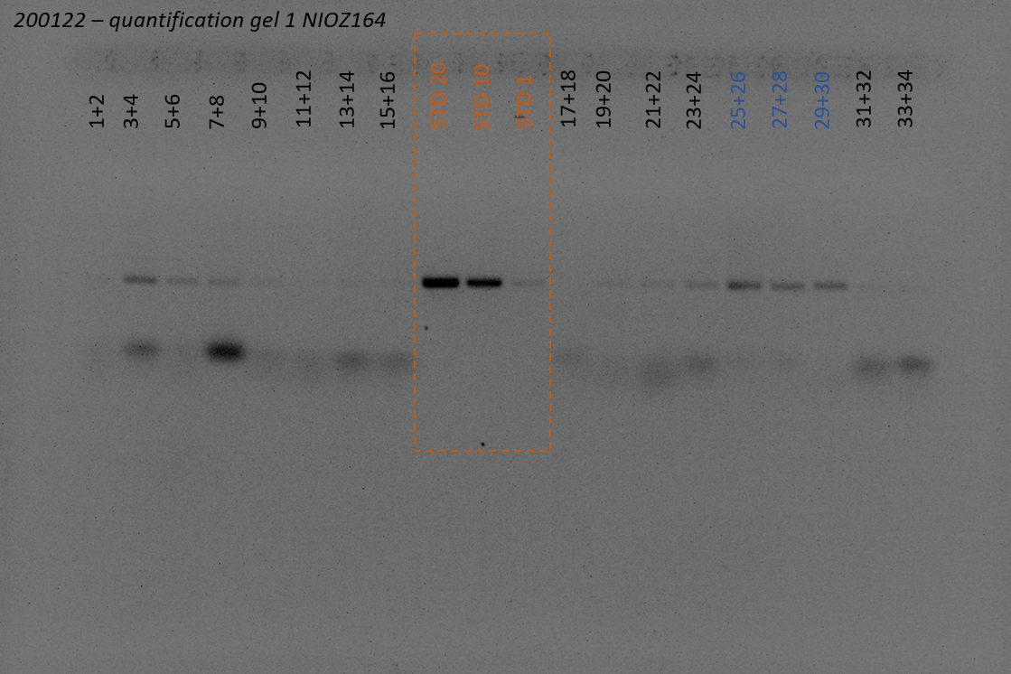
 |  |  |  |  | Imager Settings
 |  |  |  |  | Filter | UV032
 |  |  |  |  | Light | TLUM - Mid Wave
 |  |  |  |  | Iris F number | 5.9
 |  |  |  |  | Exposure time | 80 ms

pooling with dilutions
# | Sample | Qbit ng/µl | dilution | DNA | EB | Pool_(µl) | number of samples | 100 | ng/µL | 4 |  | 40 | ng/sample
1 |  | 10.00 | 2.5 | 10 | 15.00 | 10 |  |  |  |  | elution | 100 | µL
2 |  | 150.00 | 37.5 | 10 | 365.00 | 10 |  | Qubit: |  | ng/µL | expected | 40 | ng/µL
3 |  | 36.00 | 9.0 | 10 | 80.00 | 10
4 |  | 95.00 | 23.8 | 10 | 227.50 | 10 |  | Gel | SF smartladder | 1µL Xylene Loading dye + 5µL sample
5 |  | 5.00 | 1.3 | 10 | 2.50 | 10 |  |  | 2% agarose | 75 Volts | 70 min
6 |  | 1.30 | 0.3 | 10 | -6.75 | 3.0769230769
7 |  | 90.00 | 22.5 | 10 | 215.00 | 10
8 |  | 40.00 | 10.0 | 10 | 90.00 | 10
Dilutions and pooling (05-07-18):
- All samples (gel extracts) that had a higher concentration than 4 ng/µl where diluted with EB to 4 ng/µl. This was done by adding a certain amount of EB to 10 µl of DNA (see table beside). When pooling the goal was to add 40 ng of DNA per sample. For each sample that had a concentration of 4 ng/µl, or that was diluted to that concentration, 10 µl of gel extract/dilution was added. For each sample that had a lower concentration than 4 ng/µl, the amount of µl that was needed to achieve 10 ng was added when possible.
PCR purification
- Samples were pooled in a 15 ml tube
- ....... µl of buffer PB was added (total volume of samples is approximately .......µl, amount of PB is sample volume x 5), to this ....... µl of pH indicator from the PCR purification kit was added (1:250 dilution).
- the mixture of PB/pH indicator was added to the sample by pooring, the color turned orange so 10 µl of 3 M sodium acetate (NaAc) pH 5.0 was added according to the PCR purification protocol
- the QiaQuick PCR purification protocol was followed from step 2 on, using the vacuum manifold and eluting in 100 µl of buffer EB.
- The concentration of the final elution was measured using the Qubit (3 µl) at ...... ng/µl (........ ng in 40 µl, this was transferred to a seperate tube for sending). Also 5 µl was used to put on a small 2% agarose gel (1 g agarose + 50 ml 1x TAE), combined with 1 µl of loading dye. A 10.000 bp ladder was loaded next to the sample. The gel was ran for 70 minutes at 75 V and post-stained with Ethidium Bromide (20 minutes stain - 10 minutes destain) prior to picturing the gel using the imager. The remaining product (after using 3 µl for the Qubit and 5 µl for the gel, 52 µl is left and kept in storage).
9 |  | 9.00 | 2.3 | 10 | 12.50 | 10
10 |  | 0.50 | 0.1 | 10 | -8.75 | 8
11 |  | 90.00 | 22.5 | 10 | 215.00 | 10
12 |  | 3.00 | 0.8 | 10 | -2.50 | 1.3333333333
13 |  | 50.00 | 12.5 | 10 | 115.00 | 10
14 |  | 150.00 | 37.5 | 10 | 365.00 | 10
15 |  | 36.00 | 9.0 | 10 | 80.00 | 10
16 |  | 95.00 | 23.8 | 10 | 227.50 | 10
17 |  | 1.00 | 0.3 | 10 | -7.50 | 4
18 |  | 1.30 | 0.3 | 10 | -6.75 | 3.0769230769
19 |  | 90.00 | 22.5 | 10 | 215.00 | 10
20 |  | 40.00 | 10.0 | 10 | 90.00 | 10
21 |  | 9.00 | 2.3 | 10 | 12.50 | 10
22 |  | 3.00 | 0.8 | 10 | -2.50 | 1.3333333333
23 |  | 90.00 | 22.5 | 10 | 215.00 | 10
24 |  | 3.00 | 0.8 | 10 | -2.50 | 1.3333333333
25 |  | 1.30 | 0.3 | 10 | -6.75 | 3.0769230769
26 |  | 90.00 | 22.5 | 10 | 215.00 | 10
27 |  | 40.00 | 10.0 | 10 | 90.00 | 10
28 |  | 9.00 | 2.3 | 10 | 12.50 | 10
29 |  | 3.00 | 0.8 | 10 | -2.50 | 1.3333333333
30 |  | 90.00 | 22.5 | 10 | 215.00 | 10
31 |  | 3.00 | 0.8 | 10 | -2.50 | 1.3333333333
32 |  | 50.00 | 12.5 | 10 | 115.00 | 10
33 |  | 150.00 | 37.5 | 10 | 365.00 | 10
34 |  | 36.00 | 9.0 | 10 | 80.00 | 10
35 |  | 95.00 | 23.8 | 10 | 227.50 | 10
36 |  | 5.00 | 1.3 | 10 | 2.50 | 10
37 |  | 1.30 | 0.3 | 10 | -6.75 | 3.0769230769
38 |  | 90.00 | 22.5 | 10 | 215.00 | 10
39 |  | 40.00 | 10.0 | 10 | 90.00 | 10
40 |  | 9.00 | 2.3 | 10 | 12.50 | 10
41 |  | 40.00 | 10.0 | 10 | 90.00 | 10
42 |  | 9.00 | 2.3 | 10 | 12.50 | 10
43 |  | 3.00 | 0.8 | 10 | -2.50 | 1.3333333333
44 |  | 90.00 | 22.5 | 10 | 215.00 | 10
45 |  | 3.00 | 0.8 | 10 | -2.50 | 1.3333333333
46 |  | 50.00 | 12.5 | 10 | 115.00 | 10
47 |  | 150.00 | 37.5 | 10 | 365.00 | 10
48 |  | 36.00 | 9.0 | 10 | 80.00 | 10
49 |  | 95.00 | 23.8 | 10 | 227.50 | 10
50 |  | 36.00 | 9.0 | 10 | 80.00 | 10
51 |  | 95.00 | 23.8 | 10 | 227.50 | 10
52 |  | 5.00 | 1.3 | 10 | 2.50 | 10
53 |  | 1.30 | 0.3 | 10 | -6.75 | 3.0769230769
54 |  | 90.00 | 22.5 | 10 | 215.00 | 10
55 |  | 40.00 | 10.0 | 10 | 90.00 | 10
56 |  | 9.00 | 2.3 | 10 | 12.50 | 10
57 |  | 3.00 | 0.8 | 10 | -2.50 | 1.3333333333
58 |  | 90.00 | 22.5 | 10 | 215.00 | 10
59 |  | 3.00 | 0.8 | 10 | -2.50 | 1.3333333333
60 |  | 1.30 | 0.3 | 10 | -6.75 | 3.0769230769
61 |  | 90.00 | 22.5 | 10 | 215.00 | 10
62 |  | 40.00 | 10.0 | 10 | 90.00 | 10
63 |  | 9.00 | 2.3 | 10 | 12.50 | 10
64 |  | 3.00 | 0.8 | 10 | -2.50 | 1.3333333333
65 |  | 90.00 | 22.5 | 10 | 215.00 | 10
66 |  | 3.00 | 0.8 | 10 | -2.50 | 1.3333333333
67 |  | 36.00 | 9.0 | 10 | 80.00 | 10
68 |  | 95.00 | 23.8 | 10 | 227.50 | 10
69 |  | 36.00 | 9.0 | 10 | 80.00 | 10
70 |  | 95.00 | 23.8 | 10 | 227.50 | 10
71 |  | 5.00 | 1.3 | 10 | 2.50 | 10
72 |  | 3.00 | 0.8 | 10 | -2.50 | 1.3333333333
73 |  | 90.00 | 22.5 | 10 | 215.00 | 10
74 |  | 3.00 | 0.8 | 10 | -2.50 | 1.3333333333
75 |  | 50.00 | 12.5 | 10 | 115.00 | 10
76 |  | 150.00 | 37.5 | 10 | 365.00 | 10
77 |  | 36.00 | 9.0 | 10 | 80.00 | 10
78 |  | 95.00 | 23.8 | 10 | 227.50 | 10
79 |  | 36.00 | 9.0 | 10 | 80.00 | 10
80 |  | 95.00 | 23.8 | 10 | 227.50 | 10
81 |  | 5.00 | 1.3 | 10 | 2.50 | 10
82 |  | 1.30 | 0.3 | 10 | -6.75 | 3.0769230769
83 |  | 90.00 | 22.5 | 10 | 215.00 | 10
84 |  | 40.00 | 10.0 | 10 | 90.00 | 10
85 |  | 9.00 | 2.3 | 10 | 12.50 | 10
86 |  | 3.00 | 0.8 | 10 | -2.50 | 1.3333333333
87 |  | 90.00 | 22.5 | 10 | 215.00 | 10
88 |  | 3.00 | 0.8 | 10 | -2.50 | 1.3333333333
89 |  | 1.30 | 0.3 | 10 | -6.75 | 3.0769230769
90 |  | 90.00 | 22.5 | 10 | 215.00 | 10
91 |  | 40.00 | 10.0 | 10 | 90.00 | 10
92 |  | 9.00 | 2.3 | 10 | 12.50 | 10
93 |  | 3.00 | 0.8 | 10 | -2.50 | 1.3333333333
94 |  | 90.00 | 22.5 | 10 | 215.00 | 10
95 |  | 3.00 | 0.8 | 10 | -2.50 | 1.3333333333
96 |  | 36.00 | 9.0 | 10 | 80.00 | 10

